Opencart_NewAccountCreation
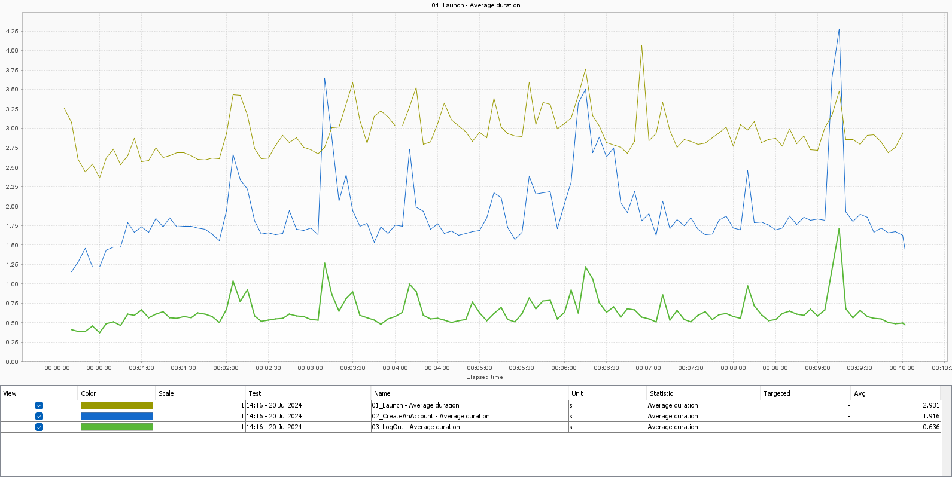
User Path | Element | Parent | Min | Avg | Max | Count | Errors | Elt/s | Perc 50 | Perc 90 | Perc 95 | Perc 99
Opencart_NewAccountCreation | 01_Launch | Actions | 2.264 | 2.919 | 4.593 | 522 | 0 | 0.87 | 2.859 | 3.323 | 3.586 | 4.087
Opencart_NewAccountCreation | 02_CreateAnAccount | Actions | 1.124 | 1.886 | 4.279 | 522 | 0 | 0.87 | 1.781 | 2.456 | 2.814 | 3.782
Opencart_NewAccountCreation | 03_LogOut | Actions | 0.352 | 0.63 | 2.232 | 521 | 0 | 0.87 | 0.588 | 0.79 | 0.965 | 1.484

Opencart_AddProductToCart

User Path | Element | Parent | Min | Avg | Max | Count | Errors | Elt/s | Perc 50 | Perc 90 | Perc 95 | Perc 99
Opencart_AddProductToCart | 01_Launch | Init | 2.464 | 2.73 | 3.064 | 5 | 0 | 0.01 | 2.674 | 3.065 | 3.065 | 3.065
Opencart_AddProductToCart | 02_Login | Init | 0.714 | 0.838 | 0.996 | 5 | 0 | 0.01 | 0.776 | 0.996 | 0.996 | 0.996
Opencart_AddProductToCart | 03_AddProduct | Actions | 0.538 | 1.011 | 3.437 | 1,531 | 0 | 2.54 | 0.94 | 1.348 | 1.598 | 2.284
Opencart_AddProductToCart | 04_GoToCart | Actions | 0.45 | 0.832 | 2.787 | 1,528 | 0 | 2.54 | 0.772 | 1.128 | 1.322 | 1.892
Opencart_AddProductToCart | 05_LogOut | End | 0.334 | 0.363 | 0.391 | 5 | 0 | 0.01 | 0.367 | 0.391 | 0.391 | 0.391

Opencart_AddItemToWishList
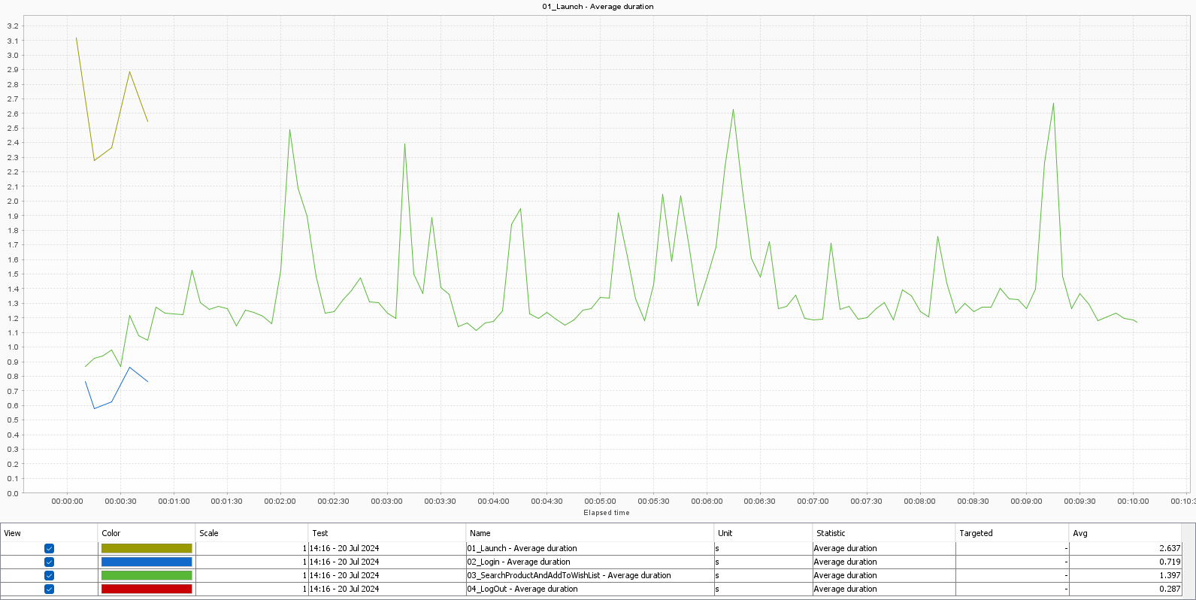
User Path | Element | Parent | Min | Avg | Max | Count | Errors | Elt/s | Perc 50 | Perc 90 | Perc 95 | Perc 99
Opencart_AddItemToWishList | 01_Launch | Init | 2.278 | 2.637 | 3.115 | 5 | 0 | 0.01 | 2.544 | 3.113 | 3.113 | 3.113
Opencart_AddItemToWishList | 02_Login | Init | 0.58 | 0.719 | 0.864 | 5 | 0 | 0.01 | 0.764 | 0.864 | 0.864 | 0.864
Opencart_AddItemToWishList | 03_SearchProductAndAddToWishList | Actions | 0.77 | 1.356 | 4.275 | 2,075 | 5 | 3.45 | 1.276 | 1.748 | 2.08 | 2.894
Opencart_AddItemToWishList | 04_LogOut | End | 0.271 | 0.287 | 0.301 | 5 | 5 | 0.01 | 0.293 | 0.301 | 0.301 | 0.301

Graphs
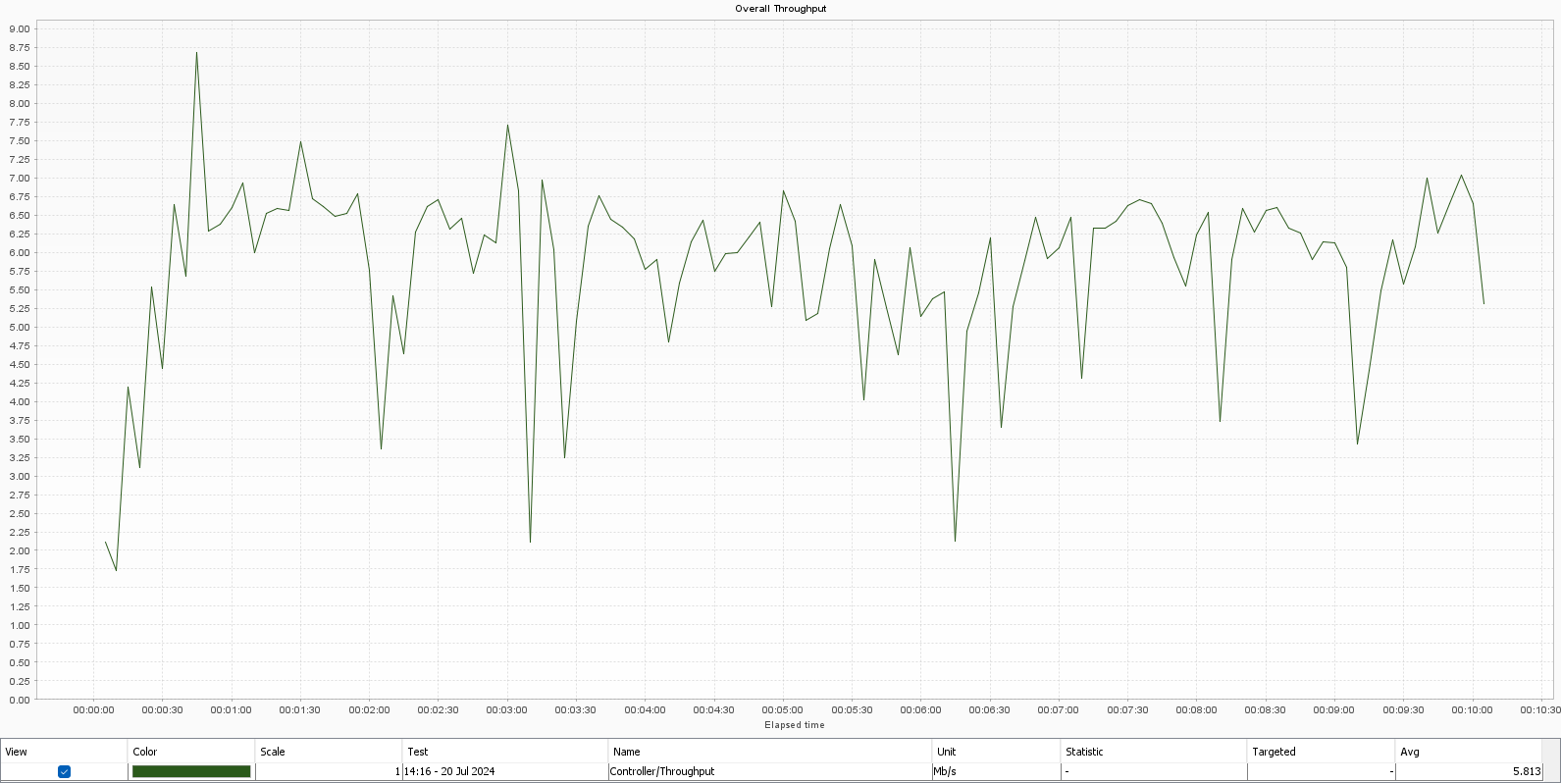

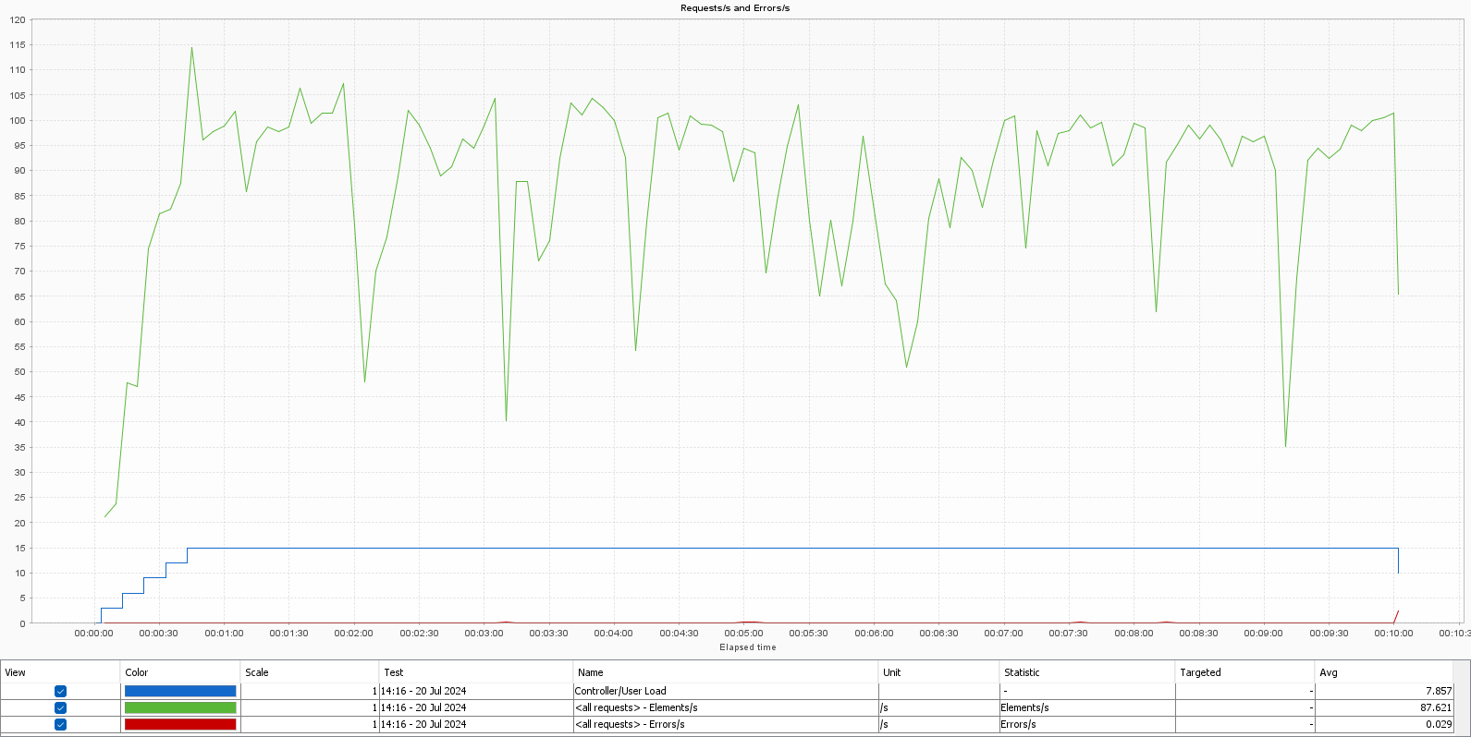

LoadGeneratorStatistics
